Sheet1
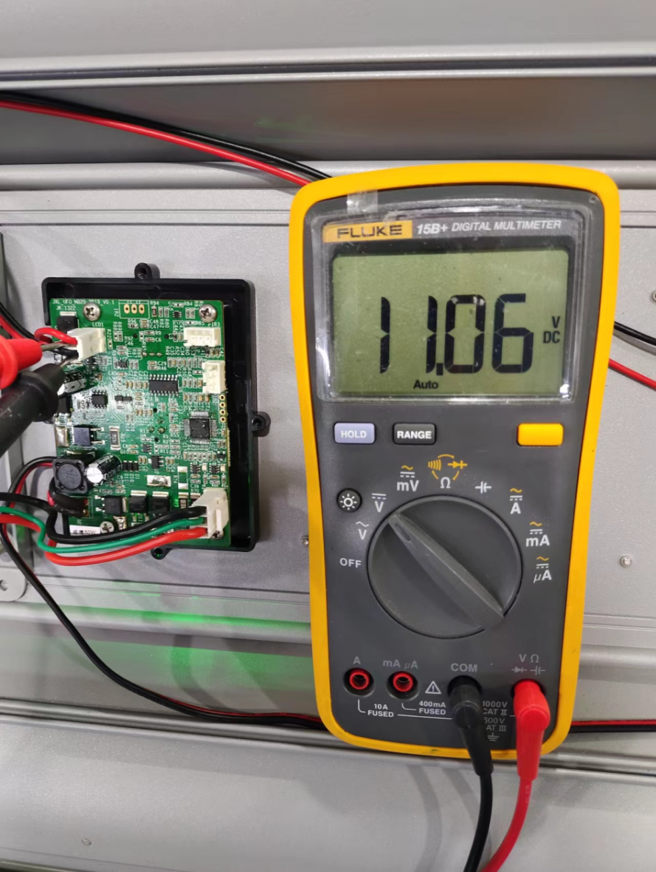
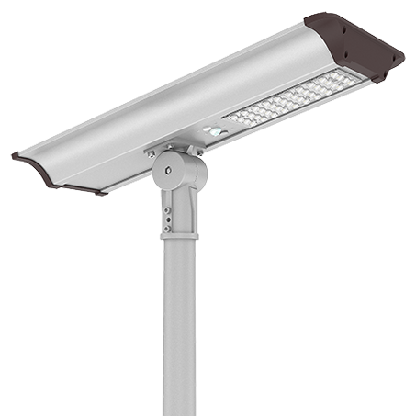
太阳能路灯雄鹰系列检测方法
1)检查电源开关LED灯亮灯状态 | 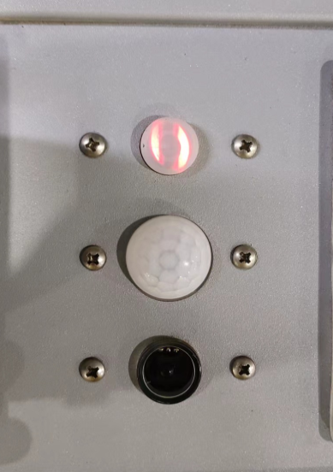
Check the power ON/OFF
A,红灯表示充电,
Red color means charging
B,绿灯表示正常亮灯或者遥控制器(OFF)关灯状态,
Green,working status
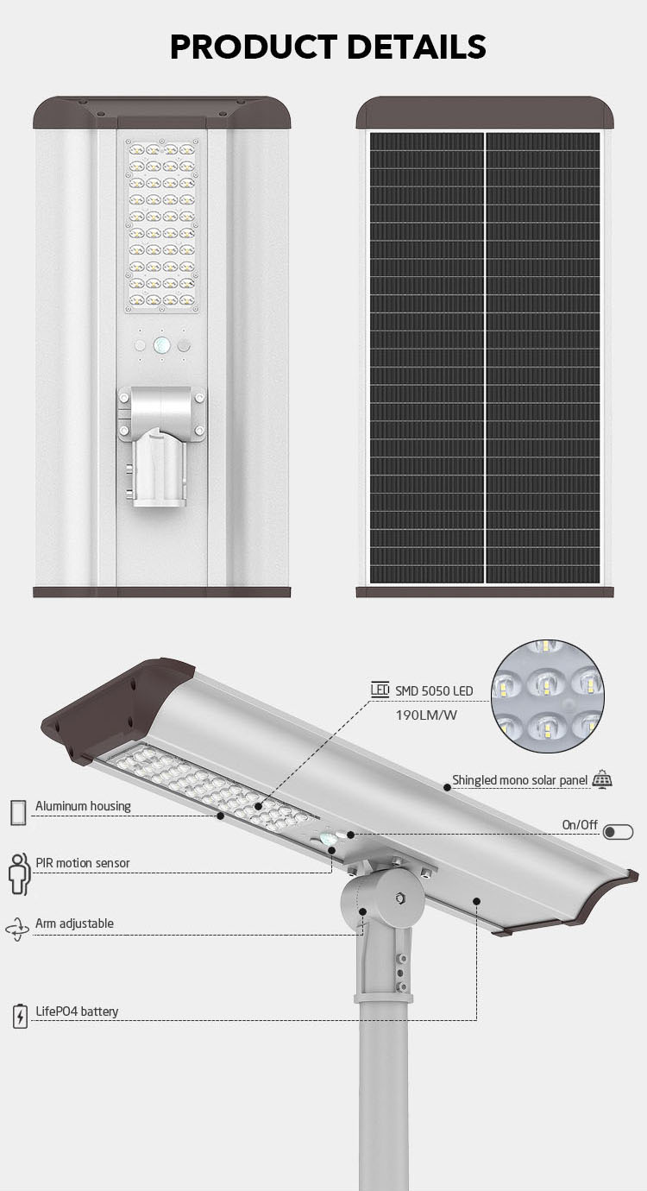
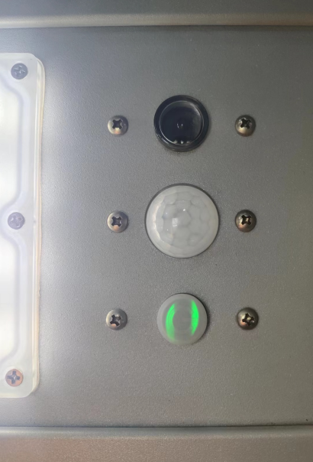 | 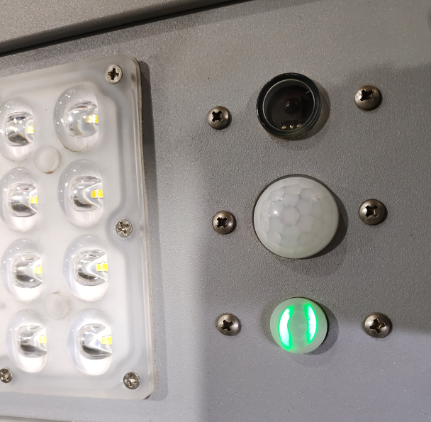
图(1)正常亮灯状态 | 图(2)遥控制器(OFF)关灯状态
Working | Use remote control to OFF
2)检查电源开关LED灯亮灯状态
Check the power on/off status | 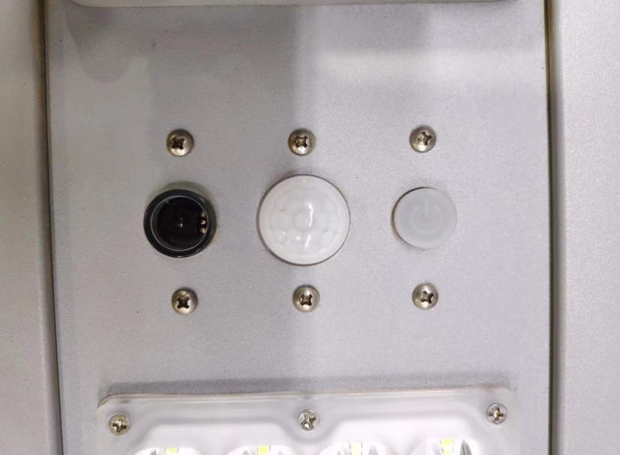
A1,按下电源开关检查LED亮灯状态,不亮绿灯也不亮红灯,如下图:
Push the ON/OFF to check status,No light
A2,按下电源开关,放到阳光充沛位置晒太阳充电6-8个小时,
Push the ON/OFF, charging the light 6-8 hours in the sun
A3,充电2个小时左右红灯亮起,表示电池没电,如果充电6-8个时红灯没有亮起,进一步检查
Charging 2 hours,the on/off switch turn to red.If charging 6-8 hours,still no red,check agina
3)打开两头端盖,把太阳能板拆下来, | 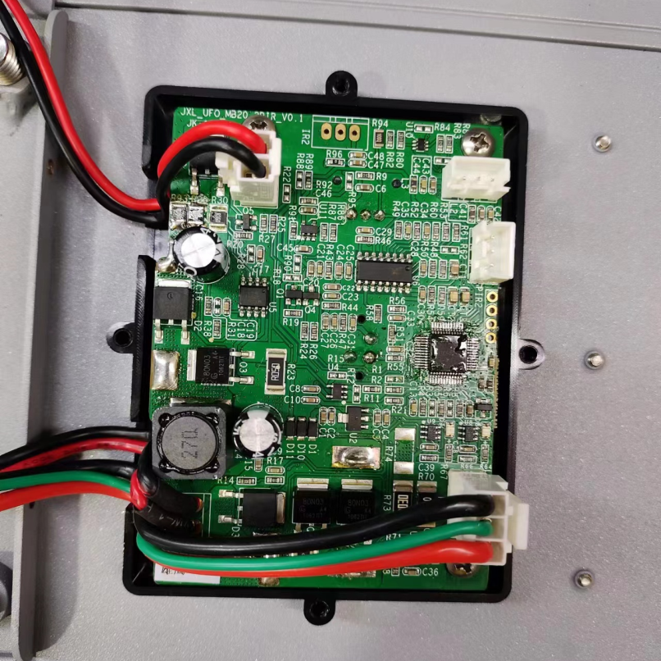
Take off the solar panel
A1,打开主控板后盖,下图:
Find the main board

A2,检测太阳能板充电电压9-11V正常,万用表正极对下图+极,负极对-极, | 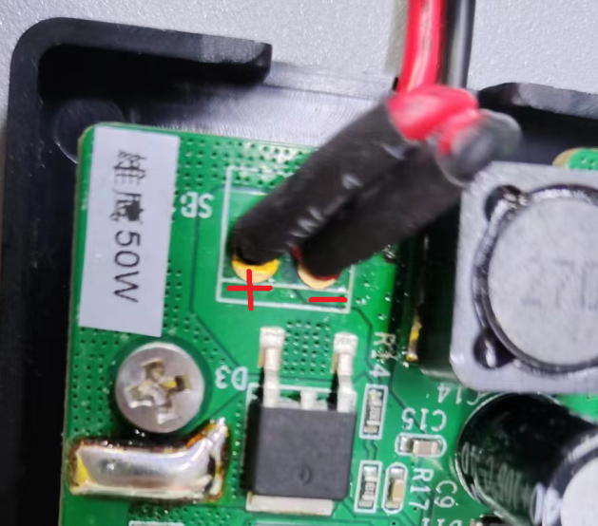
Solar panel charge voltage is 9-11V
A3,太阳能板电池表面正对太阳充电测试,

A4,按下电源开头使用万用表,检测MCU电压,3.3V,+/-0.12V为正常,
Push ON and use multimeter to check the MCU board voltage:3.3V,+/-0.12V
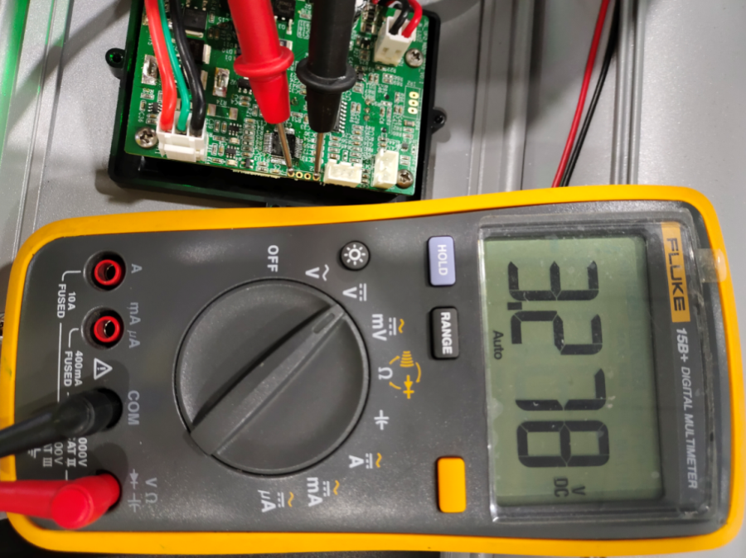
A5,按下电源开关使用万表,检测电池电压,5.9-7.2V为正常,
Push ON and use multimeter to check the battery voltage:5.9-7.2V
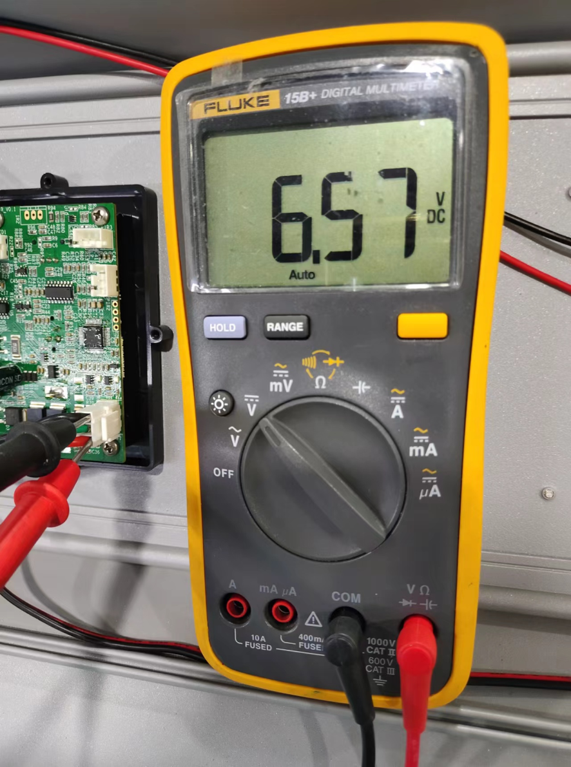

A6,按下电源开头使用万表,检测LED灯电压11V,+/-0.1V为正常,

