INH
PSC SOLAR UK Contacts: 08120855444 , 08123655444, 08089552800 . EMAIL: INFO@PSCSOLARUK.COM Factory: 41B OLUTOYE CRESCENT ALONG ADENIYI JONES AVENUE , IKEJA , LAGOS, NIGERIA

Item No. | Photo | Features & Specifications |  | EXW Unit Price
INH-30W | 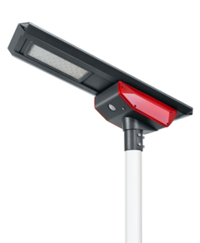 | Rated LED Power | 30W, Bridgelux LED, 2800-6500K CCT available Lumens: 3900-4500LM Light Distribution:Batwing Type | 1-20(pcs) | 21-100(pcs) | 101-200(pcs) | 201-500 (pcs)
 |  | Solar Panel Capacity | 18V 45W High Efficiency Monocrystalline more than 25 years warranty
 |  | Battery Capacity | Li-ion power battery 12V 23AH, 5 to 8 years lifespan | * Lighting Mode can be customized * High lumens LED: 150 lm per watt * BIS battery management to protect battery and prolong service time * Professional batwing type spectrum distribution * Light up to 20 meters wideness area
 |  | MAX Sensing Distance | 12M
 |  | Solar Controller | Intelligent MPPT patent controller High conversion efficiency 91%
 |  | Light Body | Aluminum Alloy+Toughened Glass+PC Cover | Packing Details: 1.Carton size:100.5*43.5*40CM 2.N.W: 13.1 kg/G.W: 17.8 kg 3.Qty:2pcs/carton
 |  | Installation Height | 4 to 6 meters
 |  | Distance between Pole | 12 to 18 meters
 |  | Solar Charging Time | 6 to 7 hours by bright sunlight
 |  | Operating Temperature | -25° to 65° | Applications: Public Square/Plaza/Courtyard/Garden/Park/ Street/ Roadway/ Pathway/Parking Lot/Private/Road/ Sidewalk/Campus/ Airfield /Farm &Ranch /Perimeter Security/Wildlife Area/Military Base and so on.
 |  | Product Size | 925*360*270mm
 |  | Discharge Time | 12 days backup
Item No. | Photo | Features & Specifications |  | EXW Unit Price
INH-40W | 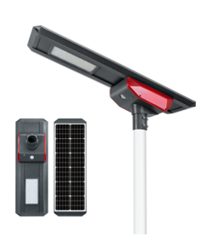 | Rated LED Power | 40W, Bridgelux LED, 2800-6500K CCT available Lumens:5200-6000LM Light Distribution:Batwing Type (65x150 degrees) | 1-20(pcs) | 21-100(pcs) | 101-200(pcs) | 201-500 (pcs)
 |  | Solar Panel Capacity | 18V 55W High Efficiency Monocrystalline more than 25 years warranty
 |  | Battery Capacity | Li-ion power battery 12V 29AH, 5 to 8 years lifespan | * Lighting Mode can be customized * High lumens LED: 150 lm per watt * BIS battery management to protect battery and prolong service time * Professional batwing type spectrum distribution * Light up to 20 meters wideness area
 |  | MAX Sensing Distance | 12M
 |  | Solar Controller | Intelligent MPPT patent controller High conversion efficiency 91%
 |  | Light Body | Aluminum Alloy+Toughened Glass+PC Cover | Packing Details: 1.Carton size:118*43.5*40CM 2.N.W: 15 kg/G.W: 19.7 kg 3.Qty:2pcs/carton
 |  | Installation Height | 5 to 7 meters
 |  | Distance between Pole | 15 to 21 meters
 |  | Solar Charging Time | 6 to 7 hours by bright sunlight
 |  | Operating Temperature | -25° to 65° | Applications: Public Square/Plaza/Courtyard/Garden/Park/ Street/ Roadway/ Pathway/Parking Lot/Private/Road/ Sidewalk/Campus/ Airfield /Farm &Ranch /Perimeter Security/Wildlife Area/Military Base and so on.
 |  | Product Size | 1105*360*270mm
 |  | Discharge Time | 12 days backup
Item No. | Photo | Features & Specifications |  | EXW Unit Price
INH-50W | 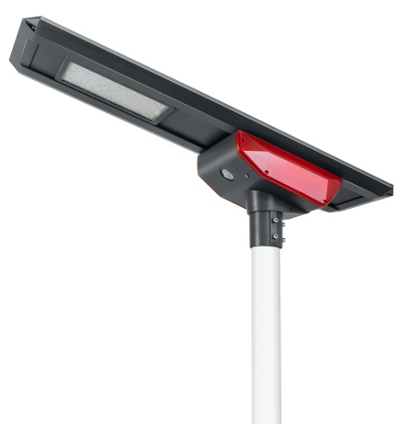 | Rated LED Power | 50W, Bridgelux LED, 2800-6500K CCT available Lumens: 6500-7500LM Light Distribution:Batwing Type (65x150 degrees) | 1-50(pcs) | 51-100(pcs) | 101-200(pcs) | 201-500 (pcs)
 |  | Solar Panel Capacity | 18V 65W High Efficiency Monocrystalline more than 25 years warranty
 |  | Battery Capacity | Li-ion power battery 12V 31AH, 5 to 8 years lifespan | * Lighting Mode can be customized * High lumens LED: 150 lm per watt * BIS battery management to protect battery and prolong service time * Professional batwing type spectrum distribution * Light up to 20 meters wideness area
 |  | MAX Sensing Distance | 12M
 |  | Solar Controller | Intelligent MPPT patent controller; High conversion efficiency 91%
 |  | Light Body | Aluminum Alloy+Toughened Glass+PC Cover | Packing Details: 1.Carton size:133*43.5*40CM 2.N.W: 16.9 kg/G.W: 21.6 kg 3.Qty:2pcs/carton
 |  | Installation Height | 6 to 8 meters
 |  | Distance between Pole | 18 to 24 meters
 |  | Solar Charging Time | 6 to 7 hours by bright sunlight
 |  | Operating Temperature | -25° to 65° | Applications: Public Square/Plaza/Courtyard/Garden/Park/ Street/ Roadway/ Pathway/Parking Lot/Private/Road/ Sidewalk/Campus/ Airfield /Farm &Ranch /Perimeter Security/Wildlife Area/Military Base and so on.
 |  | Product Size | 1250*360*270mm
 |  | Discharge Time | 12 days backup
Item No. | Photo | Features & Specifications |  | EXW Unit Price
INH-60W | 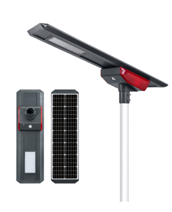 | Rated LED Power | 60W, Bridgelux LED, 2800-6500K CCT available Lumens: 7800-9000LM Light Distribution:Batwing Type (65x150 degrees) | 1-50(pcs) | 51-100(pcs) | 101-200(pcs) | 201-500 (pcs)
 |  | Solar Panel Capacity | 18V 75W High Efficiency Monocrystalline; more than 25 years warranty
 |  | Battery Capacity | Li-ion power battery 12V 36AH, 5 to 8 years lifespan | * Lighting Mode can be customized * High lumens LED: 150 lm per watt * BIS battery management to protect battery and prolong service time * Professional batwing type spectrum distribution * Light up to 20 meters wideness area
 |  | MAX Sensing Distance | 12M
 |  | Solar Controller | Intelligent MPPT patent controller High conversion efficiency 91%
 |  | Light Body | Aluminum Alloy+Toughened Glass+PC Cover | Packing Details: 1.Carton size:151*43.5*40CM 2.N.W: 18.3 kg/G.W: 23.5 kg 3.Qty:2pcs/carton
 |  | Installation Height | 7 to 9 meters
 |  | Distance between Pole | 21 to 27 meters
 |  | Solar Charging Time | 6 to 7 hours by bright sunlight
 |  | Operating Temperature | -25° to 65° | Applications: Public Square/Plaza/Courtyard/Garden/Park/ Street/ Roadway/ Pathway/Parking Lot/Private/Road/ Sidewalk/Campus/ Airfield /Farm &Ranch /Perimeter Security/Wildlife Area/Military Base and so on.
 |  | Product Size | 1430*360*270mm
 |  | Discharge Time | 12 days backup
Item No. | Photo | Features & Specifications |  | EXW Unit Price
INH-80W | 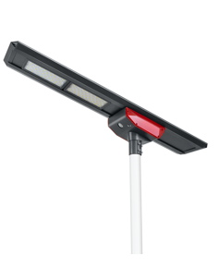 | Rated LED Power | 80W, Bridgelux LED, 2800-6500K CCT available Lumens: 10400-12000LM Light Distribution:Batwing Type (65x150 degrees) | 1-50(pcs) | 51-100(pcs) | 101-200(pcs) | 201-500 (pcs)
 |  | Solar Panel Capacity | 18V 85W High Efficiency Monocrystalline more than 25 years warranty
 |  | Battery Capacity | Li-ion power battery 12V 47AH, 5 to 8 years lifespan | * Lighting Mode can be customized * High lumens LED: 150 lm per watt * BIS battery management to protect battery and prolong service time * Professional batwing type spectrum distribution * Light up to 20 meters wideness area
 |  | MAX Sensing Distance | 12M
 |  | Solar Controller | Intelligent MPPT patent controller High conversion efficiency 91%
 |  | Light Body | Aluminum Alloy+Toughened Glass+PC Cover | Packing Details: 1.Carton size:183.5*43.5*40CM 2.N.W: 21.9 kg/G.W: 27.1 kg 3.Qty:2pcs/carton
 |  | Installation Height | 8 to 10 meters
 |  | Distance between Pole | 24 to 30 meters
 |  | Solar Charging Time | 6 to 7 hours by bright sunlight
 |  | Operating Temperature | -25° to 65° | Applications: Public Square/Plaza/Courtyard/Garden/Park/ Street/ Roadway/ Pathway/Parking Lot/Private/Road/ Sidewalk/Campus/ Airfield /Farm &Ranch /Perimeter Security/Wildlife Area/Military Base and so on.
 |  | Product Size | 1575*360*270mm
 |  | Discharge Time | 12 days backup
Item No. | Photo | Features & Specifications |  | EXW Unit Price
INH-100W | 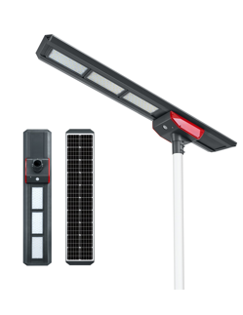 | Rated LED Power | 100W, Bridgelux LED, 2800-6500K CCT available Lumens: 13000-15000LM Light Distribution:Batwing Type (65x150 degrees) | 1-50(pcs) | 51-100(pcs) | 101-200(pcs) | 201-500 (pcs)
 |  | Solar Panel Capacity | 18V 95W High Efficiency Monocrystalline more than 25 years warranty
 |  | Battery Capacity | Li-ion power battery 12V 62.4AH, 5 to 8 years lifespan | * Lighting Mode can be customized * High lumens LED: 150 lm per watt * BIS battery management to protect battery and prolong service time * Professional batwing type spectrum distribution * Light up to 20 meters wideness area
 |  | MAX Sensing Distance | 12M
 |  | Solar Controller | Intelligent MPPT patent controller; High conversion efficiency 91%
 |  | Light Body | Aluminum Alloy+Toughened Glass+PC Cover | Packing Details: 1.Carton size:183*43.5*40CM 2.N.W: 22.8 kg/G.W: 25.2 kg 3.Qty:2pcs/carton
 |  | Installation Height | 9 to 11 meters
 |  | Distance between Pole | 27 to 33 meters
 |  | Solar Charging Time | 6 to 7 hours by bright sunlight
 |  | Operating Temperature | -25° to 65° | Applications: Public Square/Plaza/Courtyard/Garden/Park/ Street/ Roadway/ Pathway/Parking Lot/Private/Road/ Sidewalk/Campus/ Airfield /Farm &Ranch /Perimeter Security/Wildlife Area/Military Base and so on.
 |  | Product Size | 1755*360*270mm
 |  | Discharge Time | 12 days backup
Item No. | Photo | Features & Specifications |  | EXW Unit Price
INH-120W | 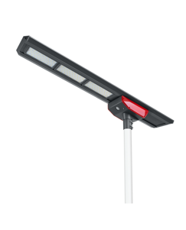 | Rated LED Power | 120W, Bridgelux LED, 2800-6500K CCT available Lumens: 15600-18000LM Light Distribution:Batwing Type (65x150 degrees) | 1-50(pcs) | 51-100(pcs) | 101-200(pcs) | 201-500 (pcs)
 |  | Solar Panel Capacity | 18V 105W High Efficiency Monocrystalline more than 25 years warranty
 |  | Battery Capacity | Li-ion power battery 12V 72.8AH, 5 to 8 years lifespan | * Lighting Mode can be customized * High lumens LED: 150 lm per watt * BIS battery management to protect battery and prolong service time * Professional batwing type spectrum distribution * Light up to 20 meters wideness area
 |  | MAX Sensing Distance | 12M
 |  | Solar Controller | Intelligent MPPT patent controller; High conversion efficiency 91%
 |  | Light Body | Aluminum Alloy+Toughened Glass+PC Cover | Packing Details: 1.Carton size:204*43.5*40CM 2.N.W: 23.8 kg/G.W: 26.2 kg 3.Qty:2pcs/carton
 |  | Installation Height | 10 to 12 meters
 |  | Distance between Pole | 30 to 36 meters
 |  | Solar Charging Time | 6 to 7 hours by bright sunlight
 |  | Operating Temperature | -25° to 65° | Applications: Public Square/Plaza/Courtyard/Garden/Park/ Street/ Roadway/ Pathway/Parking Lot/Private/Road/ Sidewalk/Campus/ Airfield /Farm &Ranch /Perimeter Security/Wildlife Area/Military Base and so on.
 |  | Product Size | 1965*360*270mm
 |  | Discharge Time | 12 days backup
Remark: 1. Above is EXW price without shipping charge and tax fee 2. Payment terms: Full payment before shipping with T/T,Western Union/Paypal,L/C 3. Warranty: 5 years for above items 4. Certificates: all our lamps approved with CE ROHS IP65 IES IEC ISO standards 5. All quotation exclude pole 6. Term of validity: 2020.4.1-2020.9.1

